Coal
Notes:
For estimating reduction in coal consumption, we compare the domestic coal offtake during April - Dec, 2020 with the same period in 2019.

Consumption | Million tonnes
FY2021 offtake (April to Dec, 2020) (provisional) | 490
Actual offtake in the same period last year | 509
% reduction | -0.038
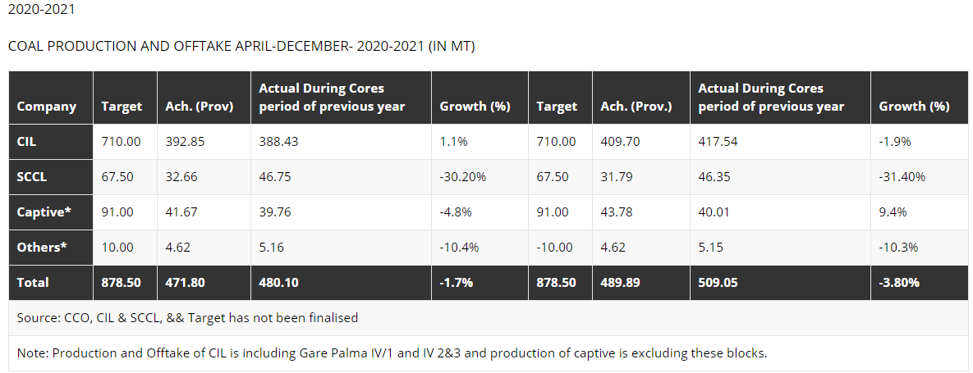

Source: | Ministry of Coal
 | http://coal.nic.in/major-statistics/production-and-supplies

Petroleum Products
Notes:
For estimating reduction in consumption of petroleum products, we compare the consumption during April '20 - Jan '21 with the same period in 2019.

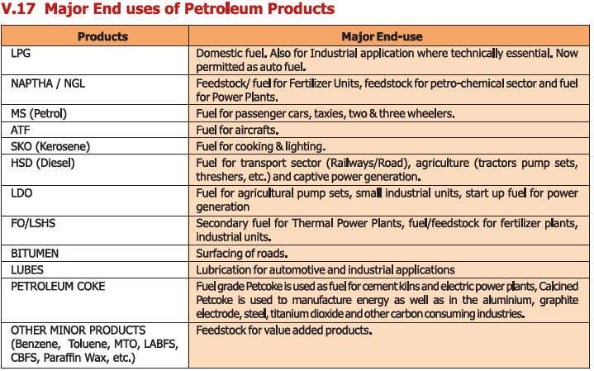
Estimated consumption (TMT)
 | Primary end use sector(s) | FY2021 (Apr - Jan) | FY2020 (Apr-Jan) | %change
LPG | Domestic | 23,074 | 21931 | 0.05
SKO | Domestic | 1,503 | 2060 | -0.27
MS (Petrol) | Transport | 22,755 | 25309 | -0.10
Naphtha | Petroleum & Nat Gas, Chemicals | 11,735 | 11736 | 0.00
HSD | Transport | 58,939 | 69780 | -0.16
ATF | Transport | 2,785 | 6827 | -0.59
LDO | Power, Others | 651 | 525 | 0.24
Lubes/Greases |  | 2,850 | 3236 | -0.12
FO/LSHS | Manufacturing, Others | 4,935 | 5242 | -0.06
Bitumen | Construction | 5,478 | 5283 | 0.04
Petcoke |  | 15,065 | 18525 | -0.19
Others |  | 8,877 | 9637 | -0.08
(Fuels used for energy purposes highlighted in yellow) |  |  |  |  | Source: | MoPNG Statistics - 2018
 |  |  |  |  |  | http://petroleum.nic.in/more/indian-png-statistics

 |  |  |  |  |  |  | %change | #REF!

